Indices

 | Iraq Stock Exchange
 | Bulletin No (90)
 | ISX Trading Indices of Thursday 21/5/2026

 | Traded Volume and OTC |  | 24,723,303,157 |  | Traded Value and OTC |  | 25,306,662,175 |  | Traders | 762

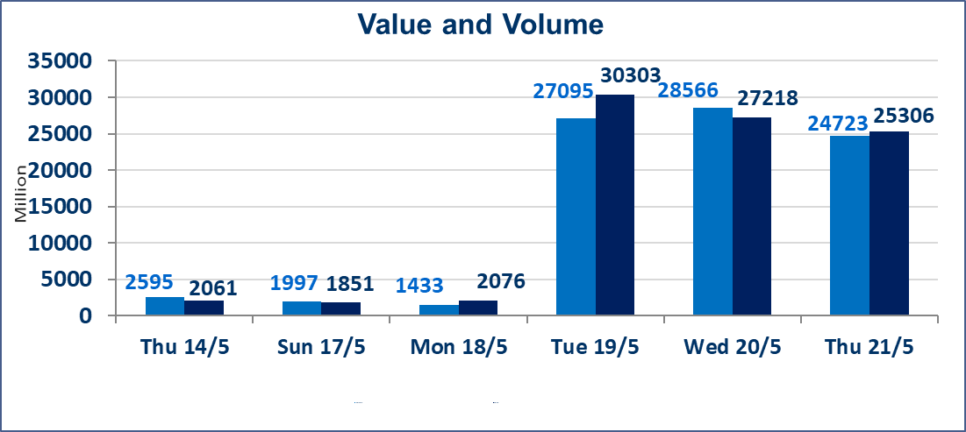
 | ISX Index 60 |  |  | 944.57 | ISX Index 15 |  |  | 1239.81
 | Previous ISX Index60 |  |  | 946.25 | Previous ISX Index15 |  |  | 1240.76
 | Change % |  |  | -0.18 | Change % |  |  | -0.08
 | Change |  |  | -1.68 | Change |  |  | -0.95

 | Listed Companies | 104 | OTC | 14 | Non Traded listed | 42 | OTC | 13
 | Traded Listed Companies | 48 | OTC | 1 | Higher Companies |  |  | 9
 | GAM Companies |  |  | 6 | Lower Companies |  |  | 14
 | Suspended Companies |  |  | 8
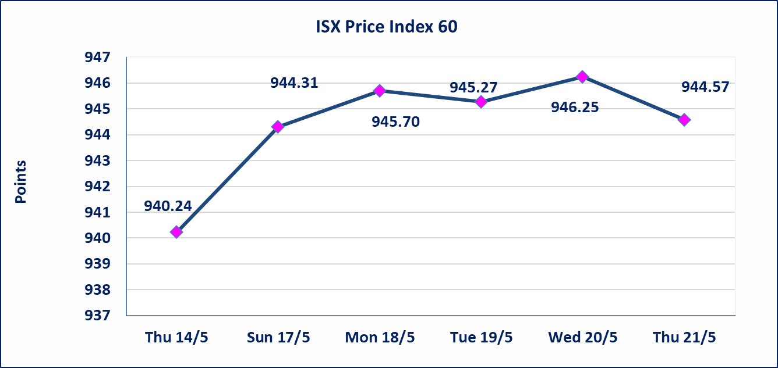
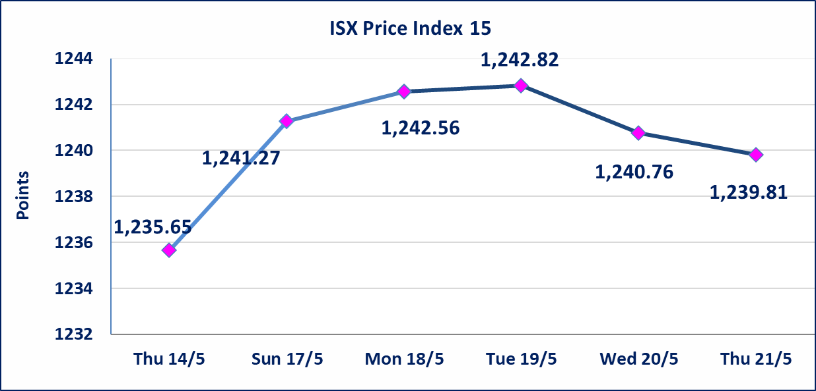

 | special orders | Elaf Brokerage Company executed a deliberate cross order on the shares of Al Qurtas Bank Company with a number of shares (24,000,000,000) shares with a value of (24,000,000,000) dinars, during the additional session time (after 1 pm) in accordance with the procedures for executing large transactions.
Al-Alwiya P.O . 3607 Mobile: 07711211522 - 07270094594 - 07834000034 E-mail: info-isx@isx-iq.net Web site:www.isx-iq.net

Top 5
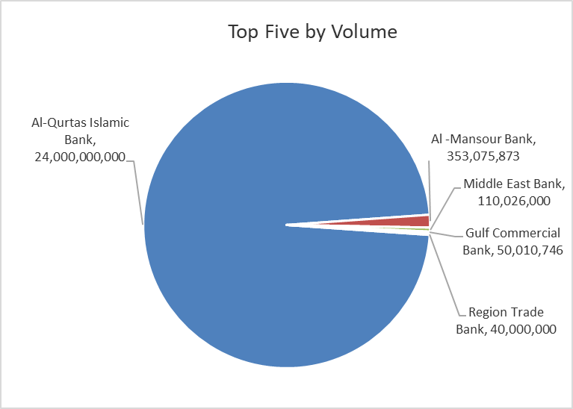
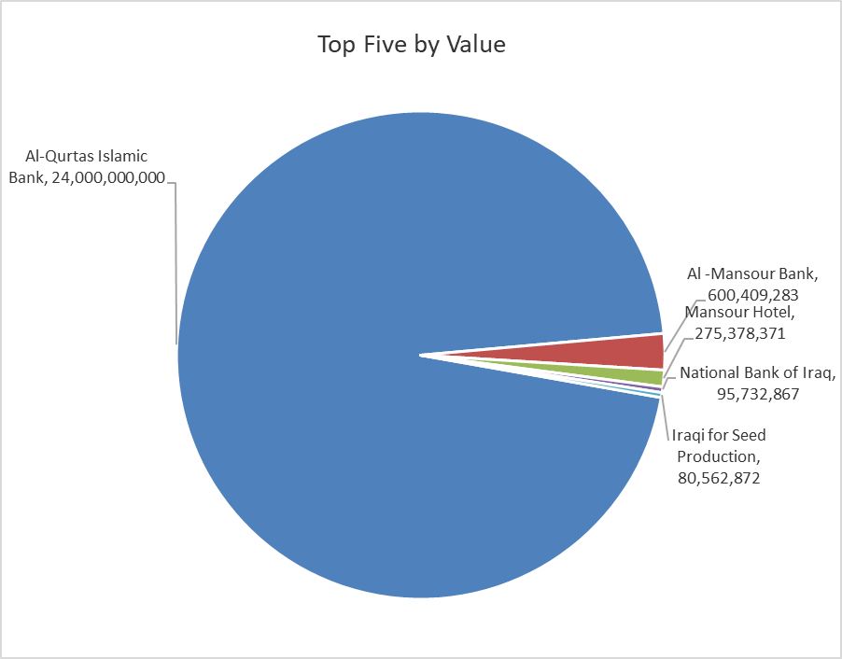

ISX top ganing and losing companies
Thursday 21/5/2026
 | Gainers |  |  |  | Losers
 | Company Name | Closing Price | Change (%) | Traded Volume | Company Name | Closing Price | Change (%) | Traded Volume
 | United Bank | 0.060 | 20.00 | 593,167 | Sumer Commercial Bank | 0.190 | -5.00 | 11,044,731
 | Tourist Village of Mosul dam | 14.050 | 4.07 | 25,910 | AL-Badia for General Trans | 1.330 | -5.00 | 382,466
 | Modern for Animal Production | 0.380 | 2.70 | 1,000 | General Transportation | 1.500 | -3.85 | 2,000
 | Al-Ameen Estate Investment | 1.700 | 1.80 | 64,711 | National Furniture Industries | 0.870 | -3.33 | 306,626
 | Commercial Islamic Bank of Iraq | 0.670 | 1.52 | 1,982,676 | Iraqi Agricultural Products | 9.000 | -2.17 | 124,450
 | The most active companies in term of traded volume and value

 | Traded Volume |  |  |  | Traded Value
 | Company Name | Closing Price | Change (%) | Traded Volume | Company Name | Closing Price | Change (%) | Traded Value
 | Al-Qurtas Islamic Bank | 1.000 | 0.00 | 24,000,000,000 | Al-Qurtas Islamic Bank | 1.000 | 0.00 | 24,000,000,000
 | Al -Mansour Bank | 1.700 | -0.58 | 353,075,873 | Al -Mansour Bank | 1.700 | -0.58 | 600,409,283
 | Middle East Bank | 0.090 | 0.00 | 110,026,000 | Mansour Hotel | 53.990 | 0.00 | 275,378,371
 | Gulf Commercial Bank | 0.370 | 0.00 | 50,010,746 | National Bank of Iraq | 3.980 | 0.51 | 95,732,867
 | Region Trade Bank | 1.010 | 0.00 | 40,000,000 | Iraqi for Seed Production | 5.000 | -0.79 | 80,562,872

Non Iraqis

Iraq Stock Exchange
Non Iraqis' Bulletin Thursday May 21 2026
Regular Market

Non Iraqi Trading of Regular Market (Buy)
Company Names | Code | No.of trades | Traded Shares | Trading Volume
Banks Sector
Bank Of Baghdad | BBOB | 7 | 36,545 | 99,402
Al-Mansour Bank | BMNS | 1 | 58,130 | 99,402
Total Bank sector |  | 8 | 94,675 | 198,805
Grand Total |  | 8 | 94,675 | 198,805

Not Trading Bonds

Iraq Stock Exchange
Thursday 21/5/2026
Not Trading Bonds Bulletin
Bond type | Publish type | Code | last trading price | immortilize date
Banaa Bonds /Million ID | Second | CB20 | 964,981 | 19/12/2025
Eamar Bonds /Million ID | First | CB30 | 1,001,095 | ــــــــــــــــ
Eamar Bonds /Million ID | Second | CB40 | ــــــــــــــــ | ــــــــــــــــ
Eamar Bonds /500 Thousand ID | Third | CB45 | ــــــــــــــــ | ــــــــــــــــ
Eamar Bonds /Million ID | Third | CB50 | ــــــــــــــــ | ــــــــــــــــ
Injaz Bonds /500 Thousand ID | First | CB55 | ــــــــــــــــ | ــــــــــــــــ
Injaz Bonds /Million ID | First | CB60 | 951,110 | ــــــــــــــــ
Injaz Bonds /500 Thousand ID | Second | CB65 | 507,301 | ــــــــــــــــ
Injaz Bonds /Million ID | Second | CB70 | 965,050 | ــــــــــــــــ
Injaz Bonds /500 Thousand ID | Third | CB75 | ــــــــــــــــ | ــــــــــــــــ
Injaz Bonds /Million ID | Third | CB80 | 978,182 | ــــــــــــــــ
National Bonds/Million ID | First | CB90 | ــــــــــــــــ | ــــــــــــــــ
National Bonds/500 Thousand ID | Second | CB95 | ــــــــــــــــ | ــــــــــــــــ
National Bonds/Million ID | Second | CB100 | ــــــــــــــــ | ــــــــــــــــ

